Model input
Modeling the Spread of a Viral Outbreak

NOTE: The cells below outlined in BLUE and RED can be editted so that you can run the model with different parameters.
Other cells are protected and cannot be editted.

This spreadsheet presents a mathematical model of the spread of a virus through a human population. Like other models that are used by scientists,
this model uses data to help describe a phenomenon (in this case the spread of a virus). This particular model makes predictions about how many individuals
might become infected with a virus over time. You can use the model to make predictions about the spead of different viruses with unique rates of spread.

The ideas used to make this model are described in an article by Joseph Eisenberg, an epidemiologist from the University of Michigan.
Link to the article: "How scientists quantify the intensity of an outbreak."

An important idea for the model is the reproduction number for the virus. The reproduction number describes how many people, on average,
are infected by an individual with the virus. If each person with a particular virus on average infects 3 other people, then the reproduction number
for this virus is 3. Scientists use R0 (pronounced R naught) as a symbol for the reproduction number.
Selecting the tab at the bottom of this page will take you to a figure that visually describes R0.

To use the model, you will need to input the number of infected individuals you choose to start with, R0, and how many rounds of transmission you want to model.
Rounds of transmission means how many steps in the outbreak you want to model. For example, for a virus with R0=3, one person infecting three people
For example, for a virus with R0=3, one person infecting three people and then those three people infecting three more each (for a total of nine) would represent 2 rounds of transmission.
The model will automatically show 10 rounds of transmission, and you can select a higher number of rounds.
The model is programmed so that you can use it to compare different viruses, different estimates of R0, or different numbers of people initially infected.
You can run the model for one situation or two situations to show a comparison.
Add numbers for the numbers initially infected, R0, and rounds of infection in the boxes below and the model will provide estimates of the numbers of
individuals predicted to become infected. The graph to the right will be created when you input information into the model.

Graphical output from the model: Infected individuals after 10 rounds of transmission
Input information into the model:
 |  | Situation 1 | Situation 2
 | Number of individuals initially infected | 10 | 100

 | Reproduction number (R0) | 1.8 | 0.8

 | Rounds of Infection | 10 | 10

Output from the model: |  | Situation 1 | Situation 2
 | Rounds of transmission | Number infected | Number infected
 | 0 | 10 | 100
 | 1 | 18 | 80
 | 2 | 32 | 64
 | 3 | 58 | 51
 | 4 | 105 | 41
 | 5 | 189 | 33
 | 6 | 340 | 26
 | 7 | 612 | 21
 | 8 | 1,102 | 17
 | 9 | 1,984 | 13
 | 10 | 3,570 | 11
 | ...
 | 10 | 3,570 | 11 | 10

Questions: Use the model (with different inputs) to answer the following questions.
1a. The reproduction number (R0) for COVID-19 may be as low as 1.5 or as high as 3.5. How many people would we expect to be infected after 5 rounds of transmission if the low R0 is accurate?
b. How many people would we expect to be infected after 5 rounds of transmission if the high R0 is accurate?
c. Why does the accuracy of the R0 value matter?
d. Why do you think there is such a big range for the R0 value for COVID-19 at this point in time?

2a. R0 for the common flu is estimated at 1.3. If we assume R0 for COVID-19 is 3, how many more people can we expect to be infected by COVID-19 compared to the flu after 10 rounds of transmission?
b. How many rounds of transmission of the flu would it take for flu to infect the number of people infected by COVID-19 after 10 rounds of transmission?
c. What factors might contribute to the low rate of viral transmission of the flu compared to COVID-19?
e. If you had to calculate the number infected after 3 rounds of transmission by hand (without the use of the model), explain how you would make the calculation.

3a. This model helps us to think about the spread of disease and can help us to compare the rate of spread of different viruses. What other aspects of different viruses should we consider when comparing the "intensity" of viral outbreaks?
b. What are limitations of this model?

4a. What happens to a viral outbreak when R0 for the virus fall below 1?
b. What things could be done to lower the COVID-19 R0?
c. If we assume that 100,000 individuals are infected by COVID-19 but we were able to drive its R0 down to 0.2, how long (in rounds of transmission) would it take to halt the spread of the virus?

R0 figure
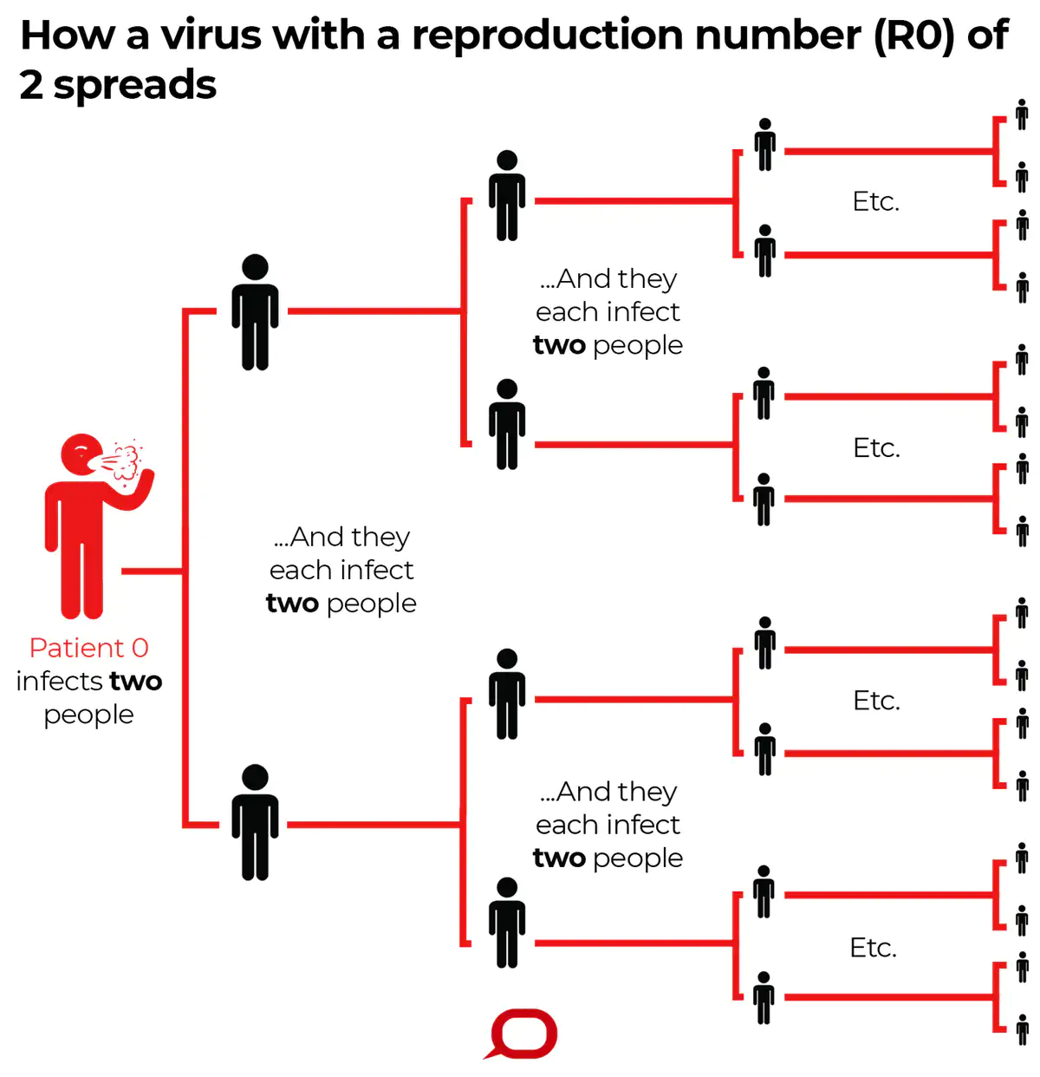

Figure accessed from:
Eisenberg. (2020). R0: How scientists quantify the intensity of an outbreak like coronavirus and predict the pandemic’s. The Conversation. https://theconversation.com/r0-how-scientists-quantify-the-intensity-of-an-outbreak-like-coronavirus-and-predict-the-pandemics-spread-130777

